Pictures
Image | Config-SKU | Brand
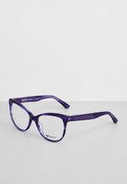 | ZZO0XBM31-I00 | Roxy
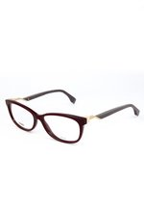 | ZZO17GT26-G00 | Fendi
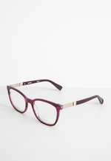 | ZZO0XAU53-I00 | Max Mara
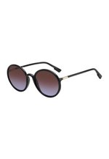 | ZZO14LM30-Q00 | DIOR
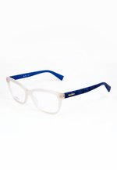 | ZZO1C3L08-K00 | Max Mara
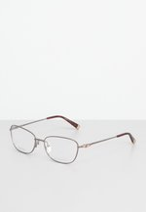 | ZZO0XAU40-J00 | Max Mara
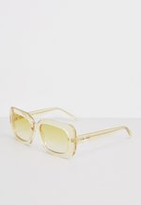 | ZZO12TV14-E00 | Calvin Klein Jeans
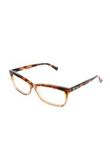 | ZZO1C3L12-B00 | Max Mara
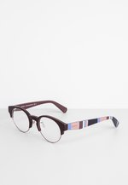 | ZZO0XAU30-I00 | MAX&Co.
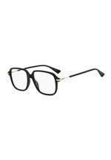 | ZZO14LM10-Q00 | DIOR
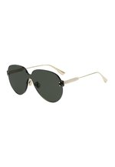 | ZZO14LM24-M00 | DIOR
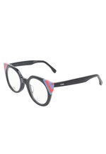 | ZZO17GT32-K00 | Fendi
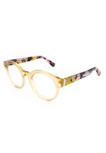 | ZZO1A3G05-O00 | MAX&Co.
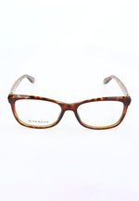 | ZZO181D16-O00 | Givenchy
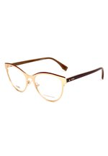 | ZZO181G18-F00 | Fendi
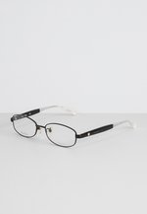 | ZZLQC7005-Q00 | Max Mara
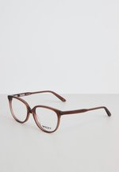 | ZZO0XBM27-O00 | Roxy
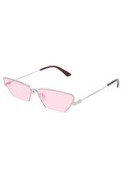 | ZZO13ZW45-D00 | McQ Alexander McQueen
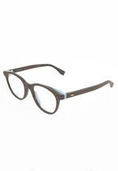 | ZZO17GT67-O01 | Fendi
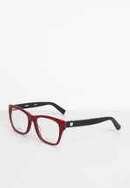 | ZZO0XAU55-Q00 | Max Mara
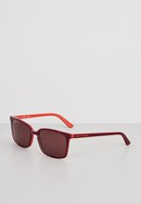 | ZZO12TV10-G00 | Calvin Klein
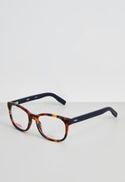 | ZZO17HUAK-K00 | HUGO
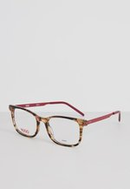 | ZZO17HUBD-G00 | HUGO
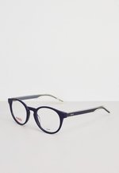 | ZZO17HUBH-K00 | HUGO
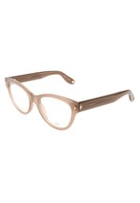 | ZZO181E05-T00 | Givenchy
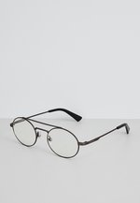 | ZZO1B8P19-Q01 | Diesel
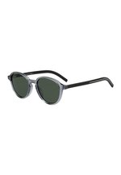 | ZZO14LM20-Q00 | DIOR
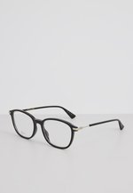 | ZZO177K08-Q00 | DIOR
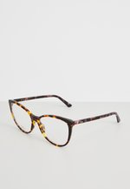 | ZZO177K50-E00 | DIOR
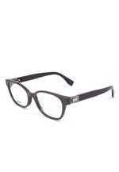 | ZZO17GT48-C00 | Fendi
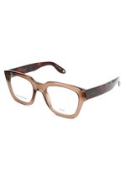 | ZZO181E19-O00 | Givenchy
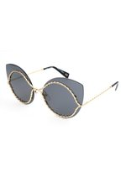 | ZZO12U302-F00 | MARC JACOBS
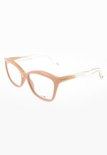 | ZZO181E04-B00 | Givenchy
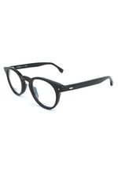 | ZZO181G10-Q00 | Fendi
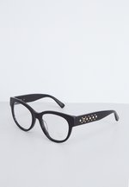 | ZZLLKG004-Q00 | MCM
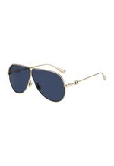 | ZZO14LM44-F00 | DIOR
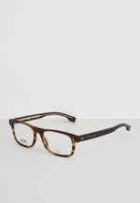 | ZZO17HU69-O00 | BOSS
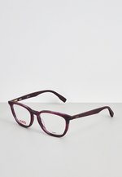 | ZZO17HUAR-I00 | HUGO
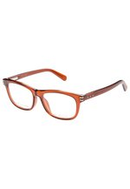 | ZZLH8M062-H00 | MARC JACOBS
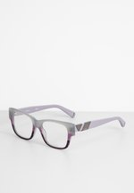 | ZZO0XAU15-I00 | MAX&Co.
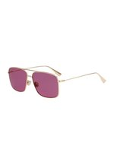 | ZZO14LM34-F00 | DIOR
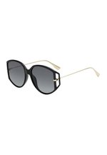 | ZZO14LM46-Q00 | DIOR
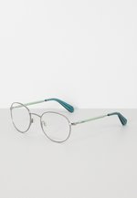 | ZZLNC2027-G00 | MAX&Co.
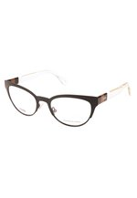 | ZZO181G04-Q00 | Fendi
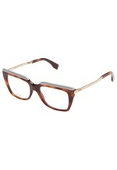 | ZZLJ9B032-O00 | Fendi
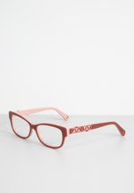 | ZZO0XAU33-J00 | MAX&Co.
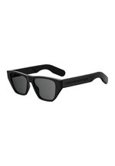 | ZZO14LM42-Q00 | DIOR
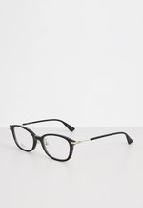 | ZZO177KDO-Q00 | DIOR
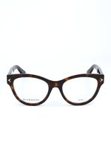 | ZZO181D04-O00 | Givenchy
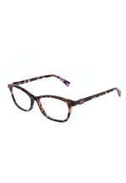 | ZZO1A3G17-I00 | MAX&Co.
 | ZZLJ9B040-G00 | Fendi
 | ZZO0XAU61-K00 | Max Mara
 | ZZO14LM45-O00 | DIOR
 | ZZO181G02-O00 | Fendi
 | ZZO0XAU11-M00 | MAX&Co.
 | ZZO14LM21-F00 | DIOR
 | ZZO14LM28-F00 | DIOR
 | ZZO177KFO-C00 | DIOR
 | ZZO17GT04-C00 | Fendi
 | ZZO181G10-C00 | Fendi
 | ZZO14LM15-Q00 | DIOR
 | ZZO14LM19-O00 | DIOR
 | ZZO17GT17-G00 | Fendi
 | ZZO17GT31-I00 | Fendi
 | ZZO181E33-N00 | Givenchy
 | ZZO14LM11-G00 | DIOR
 | ZZO181D15-J00 | Givenchy
 | ZZO1A3G18-O00 | MAX&Co.
 | ZZO1A3G29-Q00 | Max Mara
 | ZZLQC7002-K00 | Max Mara
 | ZZO17GT38-O00 | Fendi
 | ZZO181E10-O00 | Givenchy
 | ZZO15FF52-H00 | Chloé Eyewear
 | ZZO17GT33-I00 | Fendi
 | ZZO181G20-K00 | Fendi
 | ZZO17GT65-O00 | Fendi
 | ZZO181G17-I00 | Fendi
 | ZZLNC2033-Q00 | MAX&Co.
 | ZZO14H007-O00 | MARC JACOBS
 | ZZO14LM31-E00 | DIOR
 | ZZO15BW02-O00 | KARL LAGERFELD
 | ZZO181E12-Q00 | Givenchy
 | ZZO181G03-C00 | Fendi
 | ZZO17GT63-M00 | Fendi
 | ZZO181E36-Q00 | Givenchy
 | ZZO1A3G26-O00 | Max Mara
 | ZZO0XAU32-G00 | MAX&Co.
 | ZZO0XAU43-G00 | Max Mara
 | ZZO0XAU51-K00 | Max Mara
 | ZZO14LM29-Q00 | DIOR
 | ZZO181E20-O00 | Givenchy
 | ZZO0TYH09-I00 | LIU JO
 | ZZO12TV12-K00 | Calvin Klein
 | ZZO177K36-D00 | DIOR
 | ZZO177KFD-O00 | DIOR
 | ZZO1C3L14-O00 | Max Mara
 | ZZO1C3L16-E00 | Max Mara
 | ZZLNC2033-C00 | MAX&Co.
 | ZZO181E05-G00 | Givenchy
 | ZZO181E09-G00 | Givenchy
 | ZZO181E15-A00 | Givenchy
 | ZZLNC2028-G00 | MAX&Co.
 | ZZO181D13-C00 | Givenchy
 | ZZLEJN058-Q00 | Balenciaga
 | ZZO14LM25-O00 | DIOR
 | ZZO181G13-Q00 | Fendi
 | ZZLMFW054-Q00 | Balenciaga
 | ZZLQC7004-G00 | Max Mara
 | ZZO177KFA-T00 | DIOR
 | ZZO177KFQ-C00 | DIOR
 | ZZO1A3G17-Q00 | MAX&Co.
 | ZZO177KIK-E00 | DIOR
 | ZZO0XAU06-A00 | MAX&Co.
 | ZZO0XAU46-O00 | Max Mara
 | ZZO177K47-C00 | DIOR
 | ZZO177KDV-Q00 | DIOR
 | ZZO181E41-F00 | Givenchy
 | ZZO181G07-O00 | Fendi
 | ZZO0XAU37-Q00 | Max Mara
 | ZZO12TV20-Q00 | Calvin Klein Jeans
 | ZZO12TV24-K00 | Calvin Klein Jeans
 | ZZO17H443-B00 | MARC JACOBS
 | ZZO181G02-T00 | Fendi
 | ZZO181G12-Q00 | Fendi
 | ZZO181G23-O00 | Fendi
 | ZZLJ9B014-Q00 | Fendi
 | ZZO0XBM29-D00 | Roxy
 | ZZO14LM27-Q00 | DIOR
 | ZZO181G08-K00 | Fendi
 | ZZO1A3G25-O00 | Max Mara
 | ZZO177KEN-K00 | DIOR
 | ZZO181G09-O01 | Fendi
 | ZZO181G29-K00 | Fendi
 | ZZO17GT13-O00 | Fendi
 | ZZO181D24-O00 | Givenchy
 | ZZO181G13-K00 | Fendi
 | ZZO181G14-O00 | Fendi
 | ZZO181G25-D00 | Fendi
 | ZZO12TV21-Q00 | Calvin Klein Jeans
 | ZZO15BV01-Q00 | KARL LAGERFELD
 | ZZO177KFE-O00 | DIOR
 | ZZO17GT28-G00 | Fendi
 | ZZO17GT35-I00 | Fendi
 | ZZO17HUBD-I00 | HUGO
 | ZZO14H010-K00 | MARC JACOBS
 | ZZO177KFP-C00 | DIOR
 | ZZO17GT51-O00 | Fendi
 | ZZO17HU11-F00 | BOSS
 | ZZLKJA090-G00 | Max Mara
 | ZZO14LM05-Q00 | DIOR
 | ZZO17GT44-O00 | Fendi
 | ZZO181E40-O00 | Givenchy
 | ZZO0XBM30-B00 | Roxy
 | ZZO177K15-O00 | DIOR
 | ZZO177KES-K00 | DIOR
 | ZZO17H439-Q00 | MARC JACOBS
 | ZZO181E13-C00 | Givenchy
 | ZZO181E29-Q00 | Givenchy
 | ZZLJ9B015-O00 | Fendi
 | ZZO12TV26-Q00 | Calvin Klein Jeans
 | ZZO177K46-Q00 | DIOR
 | ZZO177K55-O00 | DIOR
 | ZZO17GT06-T00 | Fendi
 | ZZO181G27-K00 | Fendi
 | ZZO1A3G23-O00 | Max Mara
 | ZZO17GT05-M00 | Fendi
 | ZZO17GT12-Q00 | Fendi
 | ZZO181E40-K00 | Givenchy
 | ZZO181G11-G00 | Fendi
 | ZZO0XAU37-C00 | Max Mara
 | ZZO14LM26-O00 | DIOR
 | ZZO14LM32-F00 | DIOR
 | ZZO0XAU01-Q00 | MAX&Co.
 | ZZO177KFU-C00 | DIOR
 | ZZO177KFV-C00 | DIOR
 | ZZO181G16-I00 | Fendi
 | ZZO1B8P19-G00 | Diesel
 | ZZO0XAU30-K00 | MAX&Co.
 | ZZO177K22-C00 | DIOR
 | ZZO177KGM-Q00 | DIOR
 | ZZO17GT08-O00 | Fendi
 | ZZO17GT38-K00 | Fendi
 | ZZO17GT68-O00 | Fendi
 | ZZO12TV27-N00 | Calvin Klein Jeans
 | ZZO17GT39-C00 | Fendi
 | ZZO17GT63-E00 | Fendi
 | ZZO181E26-O00 | Givenchy
 | ZZO181G10-O00 | Fendi
 | ZZLNC2052-B00 | Max Mara
 | ZZO12TV21-M00 | Calvin Klein Jeans
 | ZZO17GT03-Q00 | Fendi
 | ZZLNC2029-B00 | MAX&Co.
 | ZZO177KDY-Q00 | DIOR
 | ZZO17GT32-C00 | Fendi
 | ZZLH8M027-Q00 | MARC JACOBS
 | ZZLQC7001-K00 | Max Mara Leisure
 | ZZO181D09-Q00 | Givenchy
 | ZZO181D22-K00 | Givenchy
 | ZZO1A3G08-Q00 | MAX&Co.
 | ZZO1C3L19-K00 | Max Mara
 | ZZLQC7014-K00 | Max Mara
 | ZZO0TXM16-K00 | MCM
 | ZZO177K29-O00 | DIOR
 | ZZO17GT50-J00 | Fendi
 | ZZLKJA090-O01 | Max Mara
 | ZZLNC2053-T00 | Max Mara
 | ZZLQ3Z010-C00 | Balenciaga
 | ZZO12TV17-J00 | Calvin Klein Jeans
 | ZZO14LM18-J00 | DIOR
 | ZZO177KHY-Q00 | DIOR
 | ZZO177KIH-E00 | DIOR
 | ZZO17H438-Q00 | MARC JACOBS
 | ZZO0TYH08-I00 | LIU JO
 | ZZO0XAU31-I00 | MAX&Co.
 | ZZO17GT40-A00 | Fendi
 | ZZO17GT42-Q00 | Fendi
 | ZZLQDA016-I00 | Salvatore Ferragamo
 | ZZO0XAU35-B00 | Max Mara
 | ZZO0XBM28-C00 | Roxy
 | ZZO181E32-Q00 | Givenchy
 | ZZO1A3G30-K00 | Max Mara
 | ZZO17GT27-C00 | Fendi
 | ZZO181E07-O00 | Givenchy
 | ZZO177K48-Q00 | DIOR
 | ZZO177KHT-T00 | DIOR
 | ZZO181D25-O00 | Givenchy
 | ZZO15BV01-O00 | KARL LAGERFELD
 | ZZO177KFC-Q00 | DIOR
 | ZZO17GT27-Q00 | Fendi
 | ZZO181D18-G00 | Givenchy
 | ZZO177K53-Q00 | DIOR
 | ZZO181E21-M00 | Givenchy
 | ZZO181G06-L00 | Fendi
 | ZZO14LM08-K00 | DIOR
 | ZZO177KII-E00 | DIOR
 | ZZO17GT66-O00 | Fendi
 | ZZO181E03-G00 | Givenchy
 | ZZO181E39-O00 | Givenchy
 | ZZO177K43-A00 | DIOR
 | ZZO17GT09-J00 | Fendi
 | ZZO17GT24-G00 | Fendi
 | ZZO17GT67-O00 | Fendi
 | ZZO181E38-O00 | Givenchy
 | ZZO1C3L01-K00 | MAX&Co.
 | ZZO1C3L17-D00 | Max Mara

